GC8 Allocations
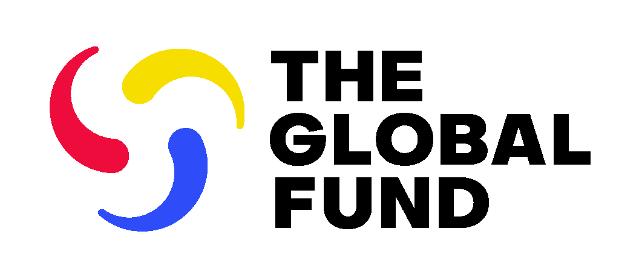
Grant Cycle 8 Allocations (2026 - 2028 Allocation Period)
Date Published: XX March 2026 | 7-Apr-26
ISO3 | Geography Name | Disease | Grant Cycle 8 Grant Currency | Grant Cycle 8 Allocation in Grant Currency | Grant Cycle 8 Allocation in USD
AFG | Afghanistan | HIV/AIDS | USD | 6,975,137 | $6,975,137
AFG | Afghanistan | Tuberculosis | USD | 34,134,897 | $34,134,897
AFG | Afghanistan | Malaria | USD | 18,515,119 | $18,515,119
AGO | Angola | HIV/AIDS | USD | 49,236,291 | $49,236,291
AGO | Angola | Tuberculosis | USD | 16,822,196 | $16,822,196
AGO | Angola | Malaria | USD | 40,243,157 | $40,243,157
ARM | Armenia | Tuberculosis | USD | 1,993,453 | $1,993,453
AZE | Azerbaijan | HIV/AIDS | USD | 7,814,350 | $7,814,350
AZE | Azerbaijan | Tuberculosis | USD | 4,582,370 | $4,582,370
BGD | Bangladesh | HIV/AIDS | USD | 18,209,968 | $18,209,968
BGD | Bangladesh | Tuberculosis | USD | 100,332,827 | $100,332,827
BGD | Bangladesh | Malaria | USD | 13,157,813 | $13,157,813
BLR | Belarus | HIV/AIDS | USD | 9,739,057 | $9,739,057
BLR | Belarus | Tuberculosis | USD | 4,222,599 | $4,222,599
BEN | Benin | HIV/AIDS | EUR | 26,541,621 | $30,630,838
BEN | Benin | Tuberculosis | EUR | 5,556,704 | $6,412,815
BEN | Benin | Malaria | EUR | 41,065,110 | $47,391,933
BTN | Bhutan | HIV/AIDS | USD | 647,156 | $647,156
BTN | Bhutan | Tuberculosis | USD | 712,843 | $712,843
BTN | Bhutan | Malaria | USD | 736,443 | $736,443
BOL | Bolivia (Plurinational State) | HIV/AIDS | USD | 8,672,371 | $8,672,371
BOL | Bolivia (Plurinational State) | Tuberculosis | USD | 2,837,258 | $2,837,258
BOL | Bolivia (Plurinational State) | Malaria | USD | 3,218,999 | $3,218,999
BWA | Botswana | HIV/AIDS | USD | 13,124,605 | $13,124,605
BWA | Botswana | Tuberculosis | USD | 979,998 | $979,998
BFA | Burkina Faso | HIV/AIDS | EUR | 33,314,226 | $38,446,885
BFA | Burkina Faso | Tuberculosis | EUR | 9,316,936 | $10,752,378
BFA | Burkina Faso | Malaria | EUR | 145,667,980 | $168,110,768
BDI | Burundi | HIV/AIDS | USD | 35,870,932 | $35,870,932
BDI | Burundi | Tuberculosis | USD | 8,622,396 | $8,622,396
BDI | Burundi | Malaria | USD | 67,873,439 | $67,873,439
CPV | Cabo Verde | HIV/AIDS | EUR | 1,895,285 | $2,187,288
CPV | Cabo Verde | Tuberculosis | EUR | 433,250 | $500,000
KHM | Cambodia | HIV/AIDS | USD | 27,419,831 | $27,419,831
KHM | Cambodia | Tuberculosis | USD | 12,522,272 | $12,522,272
CMR | Cameroon | HIV/AIDS | EUR | 113,948,174 | $131,503,951
CMR | Cameroon | Tuberculosis | EUR | 12,343,838 | $14,245,629
CMR | Cameroon | Malaria | EUR | 78,856,988 | $91,006,333
CAF | Central African Republic | HIV/AIDS | EUR | 46,205,181 | $53,323,925
CAF | Central African Republic | Tuberculosis | EUR | 8,663,865 | $9,998,690
CAF | Central African Republic | Malaria | EUR | 51,551,165 | $59,493,554
TCD | Chad | HIV/AIDS | EUR | 40,694,997 | $46,964,797
TCD | Chad | Tuberculosis | EUR | 8,513,825 | $9,825,534
TCD | Chad | Malaria | EUR | 56,832,436 | $65,588,501
COL | Colombia | HIV/AIDS | USD | 10,871,220 | $10,871,220
COM | Comoros | HIV/AIDS | EUR | 735,013 | $848,255
COM | Comoros | Tuberculosis | EUR | 433,250 | $500,000
COM | Comoros | Malaria | EUR | 3,446,718 | $3,977,747
COG | Congo | HIV/AIDS | EUR | 23,530,656 | $27,155,979
COG | Congo | Tuberculosis | EUR | 5,768,917 | $6,657,723
COG | Congo | Malaria | EUR | 23,378,380 | $26,980,242
COD | Congo (Democratic Republic) | HIV/AIDS | USD | 165,747,565 | $165,747,565
COD | Congo (Democratic Republic) | Tuberculosis | USD | 97,641,884 | $97,641,884
COD | Congo (Democratic Republic) | Malaria | USD | 354,025,926 | $354,025,926
CIV | Côte d'Ivoire | HIV/AIDS | EUR | 53,010,720 | $61,177,980
CIV | Côte d'Ivoire | Tuberculosis | EUR | 10,834,519 | $12,503,773
CIV | Côte d'Ivoire | Malaria | EUR | 94,126,891 | $108,628,841
CUB | Cuba | HIV/AIDS | USD | 16,031,447 | $16,031,447
DJI | Djibouti | HIV/AIDS | USD | 2,498,521 | $2,498,521
DJI | Djibouti | Tuberculosis | USD | 2,233,240 | $2,233,240
DJI | Djibouti | Malaria | USD | 4,033,608 | $4,033,608
DOM | Dominican Republic | HIV/AIDS | USD | 9,879,025 | $9,879,025
ECU | Ecuador | HIV/AIDS | USD | 2,974,679 | $2,974,679
EGY | Egypt | HIV/AIDS | USD | 5,573,189 | $5,573,189
EGY | Egypt | Tuberculosis | USD | 1,694,402 | $1,694,402
SLV | El Salvador | HIV/AIDS | USD | 6,924,291 | $6,924,291
SLV | El Salvador | Tuberculosis | USD | 1,437,231 | $1,437,231
ERI | Eritrea | HIV/AIDS | USD | 17,088,897 | $17,088,897
ERI | Eritrea | Tuberculosis | USD | 4,740,508 | $4,740,508
ERI | Eritrea | Malaria | USD | 16,118,725 | $16,118,725
SWZ | Eswatini | HIV/AIDS | USD | 19,794,871 | $19,794,871
SWZ | Eswatini | Tuberculosis | USD | 6,356,485 | $6,356,485
SWZ | Eswatini | Malaria | USD | 1,723,713 | $1,723,713
ETH | Ethiopia | HIV/AIDS | USD | 206,342,277 | $206,342,277
ETH | Ethiopia | Tuberculosis | USD | 50,833,658 | $50,833,658
ETH | Ethiopia | Malaria | USD | 103,810,165 | $103,810,165
GAB | Gabon | HIV/AIDS | EUR | 2,162,959 | $2,496,202
GAB | Gabon | Tuberculosis | EUR | 1,193,073 | $1,376,888
GAB | Gabon | Malaria | EUR | 1,696,708 | $1,958,117
GMB | Gambia | HIV/AIDS | USD | 15,448,649 | $15,448,649
GMB | Gambia | Tuberculosis | USD | 3,010,746 | $3,010,746
GMB | Gambia | Malaria | USD | 17,103,906 | $17,103,906
GEO | Georgia | HIV/AIDS | USD | 6,472,610 | $6,472,610
GEO | Georgia | Tuberculosis | USD | 1,753,268 | $1,753,268
GHA | Ghana | HIV/AIDS | USD | 81,729,678 | $81,729,678
GHA | Ghana | Tuberculosis | USD | 14,624,334 | $14,624,334
GHA | Ghana | Malaria | USD | 102,799,413 | $102,799,413
GTM | Guatemala | HIV/AIDS | USD | 14,841,293 | $14,841,293
GIN | Guinea | HIV/AIDS | USD | 46,090,479 | $46,090,479
GIN | Guinea | Tuberculosis | USD | 11,272,771 | $11,272,771
GIN | Guinea | Malaria | USD | 72,726,828 | $72,726,828
GNB | Guinea-Bissau | HIV/AIDS | EUR | 15,410,162 | $17,784,376
GNB | Guinea-Bissau | Tuberculosis | EUR | 4,265,661 | $4,922,863
GNB | Guinea-Bissau | Malaria | EUR | 21,501,930 | $24,814,691
HTI | Haiti | HIV/AIDS | USD | 63,085,954 | $63,085,954
HTI | Haiti | Tuberculosis | USD | 23,012,696 | $23,012,696
HTI | Haiti | Malaria | USD | 15,600,191 | $15,600,191
HND | Honduras | HIV/AIDS | USD | 8,052,663 | $8,052,663
HND | Honduras | Tuberculosis | USD | 1,769,202 | $1,769,202
HND | Honduras | Malaria | USD | 1,610,534 | $1,610,534
IND | India | HIV/AIDS | USD | 100,000,000 | $100,000,000
IND | India | Tuberculosis | USD | 200,000,000 | $200,000,000
IDN | Indonesia | HIV/AIDS | USD | 63,782,332 | $63,782,332
...

